Tool 1
Historical Analysis/ Performance Management
Purpose: To relate strategic events to net income in order to discover what strategies, if any, have proven historically successful and to what extent they impacted annual net income.

 | Net Income
2007 | 46.1
2008 | 45.22
2009 | 19.28
2010 | 30.46
2011 | 42.206
2012 | 44.88
2013 | 32.58
2014 | 32.52
2015 | 16.15
2016 | 7.84

History of Strategic Events
2007 | 2008 | 2009 | 2010 | 2011 | 2012 | 2013 | 2014 | 2015 | 2016
Acquired the Bonaparte Basin2 | Leaves U.S. direct-served retail market3 | Strategic Alliance with Synthetic Genomics Inc.4 | Acquired XTO Energy5 | Strategic Cooperation with Rosneft6 | Established joint project with Rosneft7 | Sold majority stakes to CLP Holdings8 | Joint Venture with Saudi Aramco9 | Sold Torrance Refinery to PBF Energy10 | CEO, Rex Tillerson, replaced by Darren Woods11

1 http://ir.exxonmobil.com/phoenix.zhtml?c=115024&p=irol-reportsAnnual
2 http://www.annualreports.com/HostedData/AnnualReportArchive/e/NYSE_XOM_2007.pdf
3 https://ddd.uab.cat/pub/infanu/46825/iaEXXONMOBILa2008ieng.pdf
4 http://news.exxonmobil.com/press-release/exxonmobil-launch-biofuels-program
5 http://news.exxonmobil.com/press-release/exxon-mobil-corporation-and-xto-energy-inc-announce-agreement
6 http://news.exxonmobil.com/press-release/rosneft-and-exxonmobil-advance-strategic-cooperation
7 http://news.exxonmobil.com/press-release/rosneft-and-exxonmobil-sign-agreement-western-siberia-tight-oil-pilot-project
8 http://cdn.exxonmobil.com/~/media/Global/Files/Summary-Annual-Report/2013_ExxonMobil_Summary_Annual_Report.pdf
9 http://news.exxonmobil.com/press-release/saudi-aramco-and-exxonmobil-joint-venture-completes-clean-fuels-project
10 http://news.exxonmobil.com/press-release/exxonmobil-sell-torrance-refinery-pbf-energy
11 http://news.exxonmobil.com/press-release/rex-tillerson-retire-darren-woods-elected-chairman-ceo-exxon-mobil-corporation

Tool 4.A
Corporate Officers
Purpose: To identify the organizational hierarchy of ExxonMobil's top management and the current operating strategic business units. We will also compare the key success factors used throughout the industry to evaluate the success of the company relative to direct competitors.

 |  |  | Darren W. Woods, President and CEO


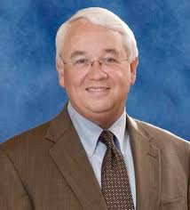
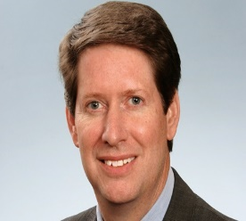


Mark W. Albers, Senior VP |  | Neil A. Chapman, Senior VP | Michael J. Dolan, Senior VP | Andrew P. Swiger, Senior VP and CFO | Jack P. Williams Jr., Senior VP


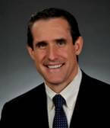

 | Randall M. Ebner, VP and General Counsel |  | Jeffery J. Woodbury, VP of Investor Relations and Secretary |  | Robert N. Schleckser, VP and Treasurer

13 https://www.sec.gov/Archives/edgar/data/34088/000003408817000017/xom10k2016.htm

Tool 6
Globalization Analysis
Purpose: To explore external opportunities and threats from a global perspective and provide a recommendation for future expansion.

I. Operations
ExxonMobil has operations established in over one hundred countries and conducts exploration activities on six continents. They are the world's largest refiner and supplier of publicly traded petroleum and petrochemicals. ExxonMobil has developed a highly integrated global network of manufacturing plants, transportation systems, and distribution centers to help meet the growing demands for fuels, lubricants, and other power supplies.17

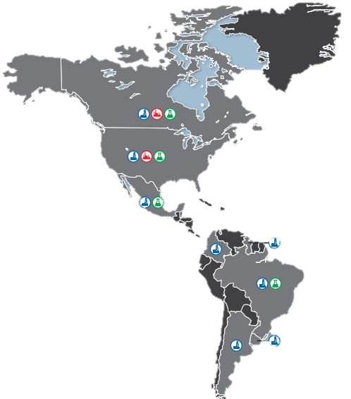
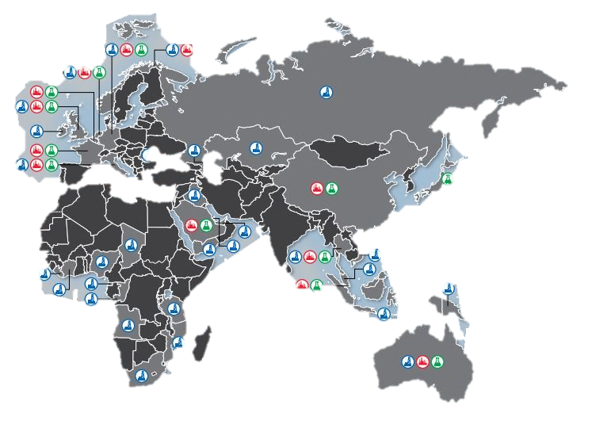

II. Classification
ExxonMobil Corporation discloses information in its 10K report regarding its domestic and international revenue.18 Because this information listed for ExxonMobil's involvement in foreign countries is at least 7% or greater, ExxonMobil qualifies as an international company. The following graph presents this information:

2016 Revenues by National Source (USD)
Domestic (USA) | 37.7
International | 62.3

III. Recommendation
Via joint ventures with others, ExxonMobil should expand to Iran. We believe they will be successful because they have these joint ventures behind them: Saudi Aramco, Rosneft, and Petrobras. We believe Iran offers the most attractive location for expanding because we have advanced logistics, brand name power, and a supply chain that is unmatched by competitors.

IV. Watch-Out
Technology has been at the forefront of the oil and gas industry and is required for many research and exploration projects. With the advancement of technology comes a relatively high vulnerability to cybersecurity threats. ExxonMobil's major role in the infrastructure of the country makes us a target for attacks that could diminish local, state, or even national economies. Our organization relies on innovation and creativity and we must take steps to protect both our physical and digital infrastructure. Technological forecasting will be necessary to maintain an edge in the competitive environment.

17 http://cdn.exxonmobil.com/~/media/global/files/summary-annual-report/2016_summary_annual_report.pdf
18 http://ir.exxonmobil.com/phoenix.zhtml%3Fc=115024%26p=irol-reportsAnnual

Tool 7
Defining the Industry Structure
Purpose: To depict the industry environment and compare the position of ExxonMobil relative to direct competitors.

ExxonMobil competes in the petroleum refinery industry, NAICS Code 324110. This industry comprises establishments primarily engaged in refining crude petroleum into refined petroleum. Petroleum refining involves one or more of the following activities: (1) fractionation; (2) straight distillation of crude oil; and (3) cracking.19 This is an accurate depiction of ExxonMobil's operations. These activities are heavily concentrated in ExxonMobil's upstream business unit, which accounts for 5% of total market share.

Below is a perceptual map of ExxonMobil's market share compared to four direct competitors in the petroleum refinery industry.

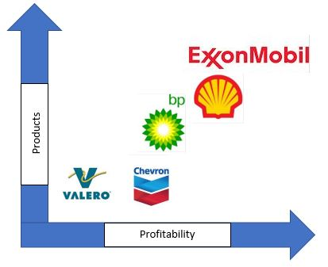

19 https://classcodes.com/lookup/naics-code-324110/

Tool 8
Life-Cycle Analysis
Purpose: To assess which stage of the product life-cycle ExxonMobil operates in and determine if we are pacing well with the industry average.

ExxonMobil vs. Industry Total Revenue
 | ExxonMobil | Industry
2007 | 404.55 | 204.442
2008 | 477.36 | 256.38
2009 | 310.59 | 162.808
2010 | 383.22 | 206.082
2011 | 486.43 | 262.946
2012 | 480.68 | 263.73
2013 | 438.26 | 263.374
2014 | 411.94 | 244.142
2015 | 268.88 | 159.338
2016 | 226.1 | 136.026

ExxonMobil Corp. formed from a merger between Exxon and Mobil around 18 years ago and are in the Decline stage of the product life-cycle. The industry as a whole is in a similar position. After many years, our company has developed strong supplier relationships and has the ability to withstand price-cutting, unlike many direct competitors. Our brand strength and cost-cutting capacity allow us to succeed in this stage where others would experience failure.

20 http://ir.exxonmobil.com/phoenix.zhtml?c=115024&p=irol-reportsAnnual
21 https://www.shell.com/investors/financial-reporting/annual-publications/annual-reports-download-centre.html
22 https://www.bp.com/content/dam/bp/en/corporate/pdf/investors/bp-foi-full-book-2012-2016.pdf
23 https://www.bp.com/content/dam/bp/pdf/investors/bp-foi-full-book-2010-2014.pdf
24 https://www.bp.com/content/dam/bp/pdf/investors/bp-annual-report-accounts-2009.pdf
25 https://www.chevron.com/-/media/chevron/annual-report/2016/2016-Annual-Report.pdf
26 https://www.chevron.com/-/media/shared-media/documents/Chevron2013AnnualReport.pdf
27 http://www.annualreports.com/HostedData/AnnualReportArchive/c/NYSE_CVX_2008.pdf
28 http://www.investorvalero.com/phoenix.zhtml?c=254367&p=irol-sec
29 http://www.annualreports.com/Company/marathon-oil-corporation

Tool 12.A
Ratio Analysis
Purpose: To prepare a financial benchmark, by the numbers, and interpret our position relative to benchmark companies, trends, and industry averages. Strengths and weaknesses will also be identified to better understand the likelihood of findings having a long-term strategic impact.
Liquidity Ratios
Activity Ratios

5 Year Ratio Analysis
 | 2012 | 2013 | 2014 | 2015 | 2016 | Trend | Chevron
Liquidity Ratios
Current | 0.83 | 0.82 | 0.79 | 0.87 | 0.82 | ↓ | 1.03
Quick | 0.53 | 0.56 | 0.49 | 0.55 | 0.52 | ↓ | 0.83

Leverage Ratios
Debt-to-Total Assets | 0.12 | 0.14 | 0.18 | 0.20 | 0.18 | ↑ | 0.21
Debt-to-Equity | 0.13 | 0.17 | 0.23 | 0.26 | 0.23 | ↑ | 0.26

Activity Ratios
Inventory Turnover | 22.73 | 20.55 | 18.05 | 11.44 | 10.12 | ↓ | 13.77
FA Turnover | 2.18 | 1.86 | 1.66 | 1.07 | 0.91 | ↓ | 0.62
Asset Turnover | 1.45 | 1.29 | 1.18 | 0.78 | 0.70 | ↓ | 0.52
Receivables Turnover | 14.39 | 16.12 | 18.50 | 16.92 | 15.45 | − | 9.17

Leverage Ratios
Profitability Ratios
Profitability Ratios
Gross Profit Margin | 30.42 | 28.06 | 28.10 | 33.56 | 31.55 | − | 43.79
Operating Profit Margin | 16.45 | 13.17 | 12.60 | 8.94 | 5.09 | ↓ | 3.86
Net Profit Margin | 9.31 | 7.43 | 7.89 | 6.01 | 5.86 | ↓ | 5.38
ROE | 28.03 | 19.17 | 18.67 | 9.36 | 7.76 | ↓ | 4.89
ROA | 13.50 | 9.57 | 9.34 | 4.71 | 4.10 | ↓ | 2.82
ROI | 25.84 | 17.42 | 16.34 | 7.93 | 4.96 | ↓ | 3.21

32 http://bi.galegroup.com.ezproxy.lib.apsu.edu/essentials/companyFinancials?u=tel_a_apsu&reportType=financial#q=chevron&page=1
33 http://financials.morningstar.com/ratios/r.html?t=XOM

